Bug_report
Bugid | Bug Title | Input Data | Steps to reproduce | Expected Result | Actual Result | Evidence/attachment | Severity | Priority | Module affected | Test Case ID | Environment | Reported by | Reported on | Status | Assigned To
BID_SOURCEDEMO_01 | Login with valid username and invalid password |  | 1- Login to https://www.saucedemo.com/ 2- Enter Valid Username 4- Enter Invalid Password 5- Press on Login Button 6- Check that User can not login to system | 1- User can view validtion message about entering Invalid username & password | 1) Red cross sign sign showing both username and password 2)Error Message not showing proper in the page | 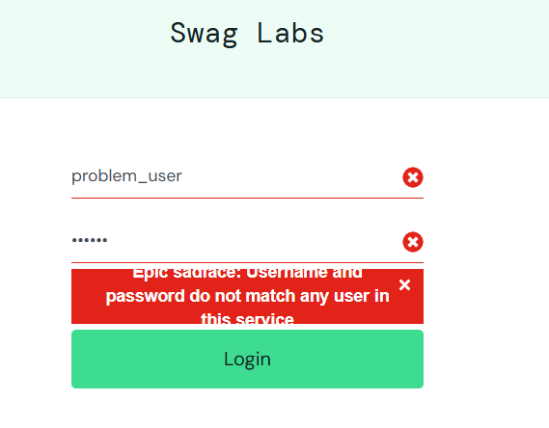 | 1 | High | Login | TC_SOUCEDEMO_LOGIN_02 | Chrome browser | Krunal Jani | 23-Apr-25 | New | Xyz Developer
BID_SOURCEDEMO_02 | Login with invalid username and valid password |  | 1- Login to https://www.saucedemo.com/ 2- Enter Invalid username 4- Enter Valid Password 5- Press on Login Button 6- Check that User can not login to system | 1- User can view validtion message about entering Invalid username & password | 1) Red cross sign sign showing both username and password 2)Error Message not showing proper in the page | 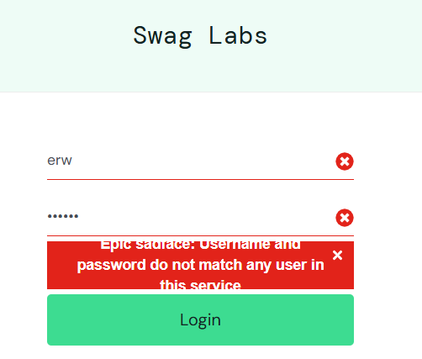 | 1 | High | Login | TC_SOUCEDEMO_LOGIN_03 | Chrome browser | Krunal Jani | 23-Apr-25 | New | Xyz Developer
BID_SOURCEDEMO_03 | Test when click on product title then page is redirect to another page | username :problem_user Password: secret_sauce | 1- User Logged in 2- Click on product title 3- please check page redirect to product details page | 1) Page redirect to the Product details Page | 1) Product details inner page not match with selected Product Item |  | 1 | High | Product Listing | TC_SOUCEDEMO_PLISTING_04 | Chrome browser | Krunal Jani | 23-Apr-25 | New | Xyz Developer
BID_SOURCEDEMO_04 | Test the Filter Functionality | username :problem_user Password: secret_sauce | 1- User Logged in 2- click on Filter with different value 3- please check filter is working or not | 1) when Filter value change Product list change according that value selected | 1) One Time user logged in at that time filter is working but secord time logged in user at that time not working |  | 1 | High | Product Listing | TC_SOUCEDEMO_PLISTING_05 | Chrome browser,Firefox,Edge | Krunal Jani | 23-Apr-25 | New | Xyz Developer
BID_SOURCEDEMO_05 | Test Add to Cart Item by User | username :problem_user Password: secret_sauce | 1- User Logged in 2- Click on Add To Cart Button on each Product 3) Product details Page open 3- please click on Add To Cart | 1) logged in user can Show their Product which added to cart | 1) problem_user is user added product to the Add to Cart and show cart history But except from problem_user like (abc user) they are not able to see their cart list |  | 1 | High | Product Details | TC_SOUCEDEMO_PDETAIL_04 | Chrome browser,Firefox,Edge | Krunal Jani | 23-Apr-25 | New | Xyz Developer
BID_SOURCEDEMO_06 | Add valid item to cart from items list page | username :problem_user Password: secret_sauce | 1- User Logged in 2- Click on Add To Cart Button on each Product 3- please check that Button is clickable or not | 1- Cart Number Increased to 1 2- Item is Added to Cart Successfully | 1) One time user logged in at that time Add to cart Button Working But another time Add to cart Button not working |  | 1 | High | Cart Checkout | TC_SOUCEDEMO_PCART_02 | Chrome browser,Firefox,Edge | Krunal Jani | 23-Apr-25 | New | Xyz Developer

Test Summary
Project Name | Swag Labs(https://www.saucedemo.com/)
Priority | High
Total Module | 4 | 4
Total Test Cases | Login -06 Product List - 06 Product Details - 04 Cart Item -:06 | 22
Total Bugs Found | Login -02 Product List - 02 Product Details - 01 Cart Item -:01 | 6

